Hiearchy View
CLASS: Microprocessor
a computer processor where the data processing logic and control is included on a single integrated circuit, or a small number of integrated circuits. |  | 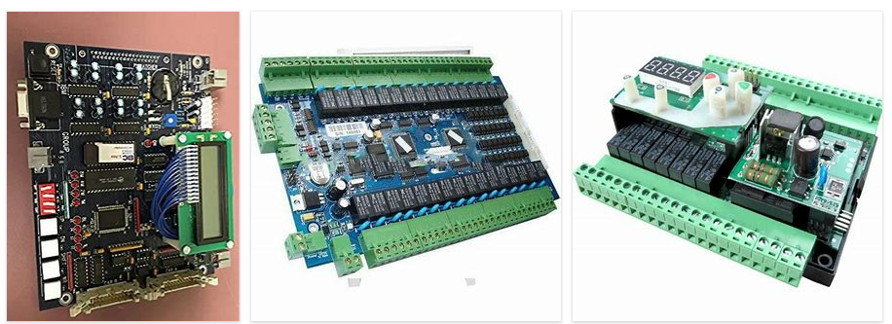
REMOVE | N

PROBLEM_DESC | CAUSE_DESC | REMEDY_DESC
ALARM/SENSOR
BROKEN/DAMAGED
OTHER PROBLEM
OVERHEATING
POWER-ELEC
STOPPED/SLOWED/POOR OPS
TEMP-CTRL
VIBRATION
Grand Total

